1. Title Page
Instacart Basket Analysis

Project Name: Instacart Grocery Basket Analysis
Date:
Analyst Name: EMMANUEL EJU

Contents:
Population Flow
Consistency checks
Wrangling steps
Column derivations
Visualizations
Recommendations

2. Population Flow
 |  |  | Title page

Population flow

Exclusion flag
Condition: max_order < 5
Obervations to be removed: 1440295
Final total count of order_products_all: 30964564

Orders_products_combined
Orders_products_merged
Orders_products_all

Total:
Total:
Total:
32434489 , | 32404859 | 30964564 ,

3. Consistency checks
 |  |  |  | Title page
Consistency checks

Dataset | Missing values | Missing values treatment | Duplicates
orders | 206209 missing values found in 'days_since_prior_order' | Determined that missing values indicated new customers by crosstabulating the 'order_number' and 'days_since_prior_order' columns. Since all missing values in 'days_since_prior_order' occurred on order number 1 confirming that all missing values were new customers I created a new_customer flag column. | No duplicates found
products | 16 missing values found in 'product_name' | Created a new dataframe excluding missing values. | 5 duplicates removed
orders_products_prior | No missing values found | N/A | No duplicates found
customers | No missing values found | N/A | No duplicates found

4. Wrangling steps
 |  |  |  | Title page
Wrangling steps

Columns dropped | Columns renamed | Columns' type changed | Comment/Reason
 |  | user_id and and order_id from Numeric to String | user_id and and order_id variables don’t represent real numeric values, rather, keys related to specific orders and users. Hence, no need to calculate statistics for them.
 | order_dow |  | Changed to order_dow to days of the week. The former order_dow not the most self-explanatory
eval_set |  |  | It has prior data set released by Instacart. This makes it a bit irrelevant for your purposes

5. Column derivations
 |  |  |  | Title page

Column derivations and aggregations

In this tab you should add tables below that the frequences of flags/label variables that you produced after deriving them. NB: don't do this for continuous variables, only for flags.
Dataset | New column | Column/s it was derived from | Conditions
orders_products_merged.pkl | price_range_loc | prices | If price <= $5, then "low-range product" If price >$5 & <= $15, then "mid-range product" If price >$15, then “high-range product.”
orders_products_merged.pkl | busiest_day | orders_day_of_week | If day 0, then "Busiest day" If day 4, then "Least busy" If else, then "Regularly busy"
orders_products_merged.pkl | busiest_days | orders_day_of_week | If day 0 or 1, then "Busiest days" If day 3 or 4, then "Slowest days" If else, then "Regularly busy"
orders_products_merged.pkl | busiest_period_of_day | order_hour_of_day | If order hour btween 9 and 16, then "Most orders" If order hour between 23 and 6, then "Fewest orders" If else, then "Average orders"
orders_products_merged_columns_added.pkl | max_order | order_number | Calculating the maximum orders for each user
orders_products_merged_columns_added.pkl | loyalty_flag | max_order | If max_order > 40, then "Loyal customer" If max_order >10 but <= 40, then "Regular customer" If max_order <=10, then "New customer"
orders_products_merged_columns_added.pkl | mean_price | prices | Calculating the mean of each product price
orders_products_merged_columns_added.pkl | spender_flag | mean_price | If mean_price <10, then "Low spender" If mean_price >=, then "High spender"
orders_products_merged_columns_added.pkl | median_days_since_prior_order | days_since_prior_order | Calculating the median of each number of days since prior order
orders_products_merged_columns_added.pkl | frequency_flag | median_days_since_prior_order | If median >20, then "Non-frequent customer" If median >10 & <=20, then "Regular customer" If median <=10, then "Frequent customer"
ords_prods_custs | Region | State | region1 = ['Maine', 'New Hampshire', 'Vermont', 'Massachusetts', 'Rhode Island', 'Connecticut', 'New York', 'Pennsylvania', 'New Jersey']
 |  |  | region2 = ['Wisconsin', 'Michigan', 'Illinois', 'Indiana', 'Ohio', 'North Dakota', 'South Dakota', 'Nebraska', 'Kansas', 'Minnesota', 'Iowa', 'Missouri']
 |  |  | region3 = ['Delaware', 'Maryland', 'District of Columbia', 'Virginia', 'West Virginia', 'North Carolina', 'South Carolina', 'Georgia', 'Florida', 'Kentucky', 'Tennessee', 'Mississippi', 'Alabama', 'Oklahoma', 'Texas', 'Arkansas', 'Louisiana']
 |  |  | region4 = ['Idaho', 'Montana', 'Wyoming', 'Nevada', 'Utah', 'Colorado', 'Arizona', 'New Mexico', 'Alaska', 'Washington', 'Oregon', 'California', 'Hawaii']
ords_prods_custs | activity_flag | max_order' | If 'max_order' <= 5, then 'Low Activity'; If 'max_order' >5, then 'High Activity'
ords_prods_custs_normal | age_group | age
ords_prods_custs_normal | income_group | income | - Customers salary less than 100,000 = low income - Customers salary between 100,000 - 200,000 = middle income - Customers salary between 200,000 - 400,000 = upper middle income - Customers salary between >400,000 = high income
ords_prods_custs_normal | department | department_id | mapping where department is equal with department_id
ords_prods_custs_normal | baby_status | department | Where department is equal with babies
ords_prods_custs_normal | frozen_status | department | Where department is equal with frozen
ords_prods_custs_normal | household_size | no_of_dependants | - no_of_dependants = 0, single household - no_of_dependants between 1-2, small household - no_of_dependants between 2-3, large household

6. Visualizations
 |  |  |  | Title page

Visualisations

In this tab you should include all the visualtions from Exercises 4.9 and 4.10, alongside the questions from the project brief that they answer. Include any commentary on the relationship between different variables.

What are the busiest days of the week and hours of the day?
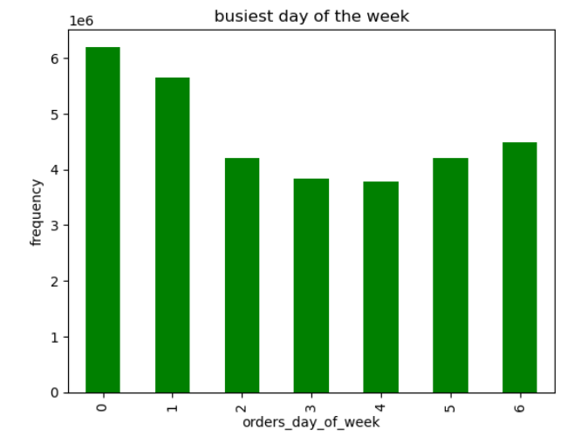
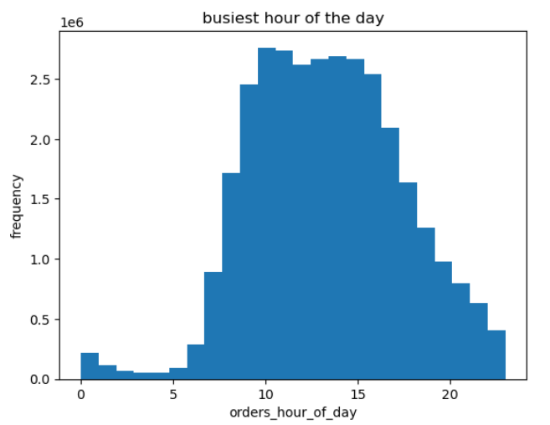

 |  | Saturday | 0
 |  | Sunday | 1
 |  | Monday | 2
 |  | Tuesday | 3
 |  | Wednesday | 4
 |  | Thursday | 5
 |  | Friday | 6

Sunday, followed by Saturday are the busiest days of the week. Wednesday is the least busy day, and frequency is more or less similar in the other week days, except for Friday, when orders also increase. | Histogram shows that peak hours are between 8:00 and 18:00. Early morning and after 20:00 are the least busy hours.

Are there particular times of the day when people spend more money?
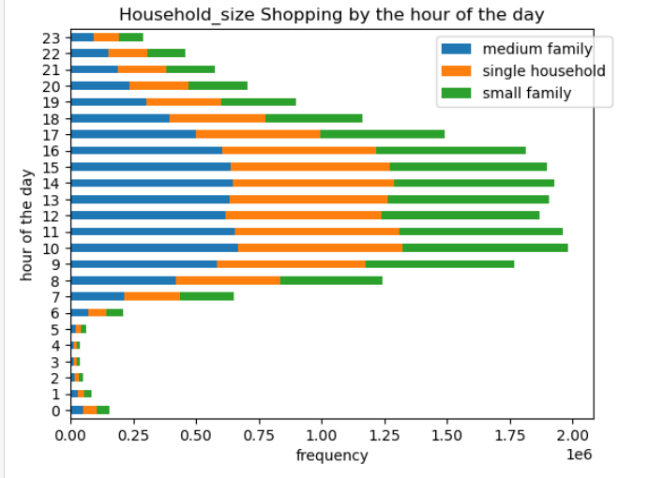
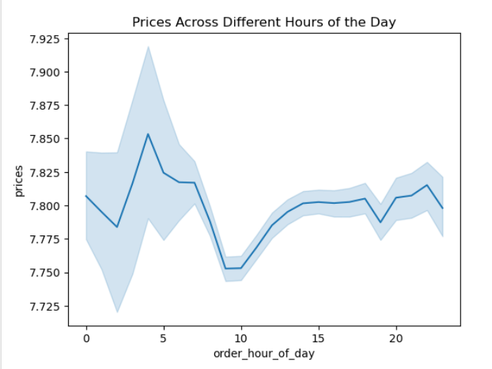

People spend more money between 11 and 20. There is also a high spending period between 6 and 9 AM, yet the variance and margin for error during this period is much bigger than in the later hours, which suggests this spending is not consistent, when compared with money spent during mid-day to afternoon hours. | The bar chart shows that most of the orders come in between 10-16 o'clock (10am-4pm) regardless of customers' family size. Starting from 7 o'clock onwards orders start to rise up and reamin high until 15 o'clock (3pm). After 3pm, they start to decline.And during 0-6 o'clock (mid-night to 6am) orders reach the most minimum record.
What's the distribution of orders among customers in terms of loyalty?

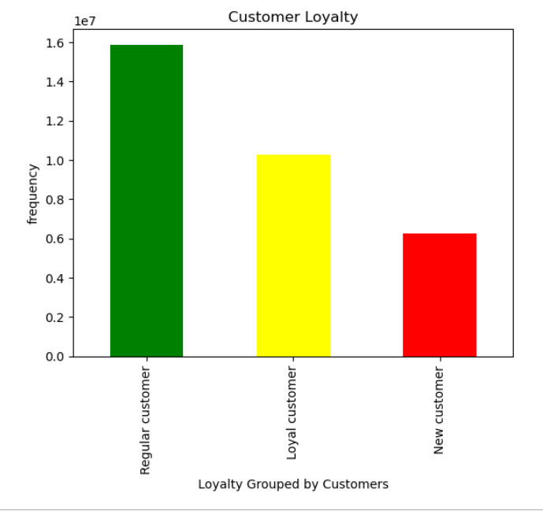

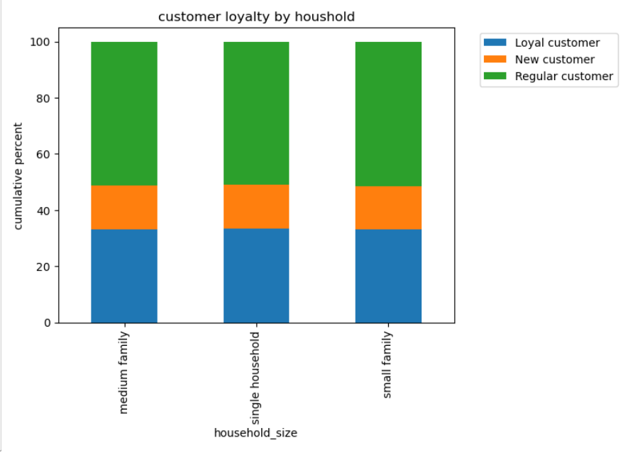

From the chart, the regular customer spends more or rather does more purchases in all the three different types of categorised household and the new customers does the least purchases. | The bar chart shows that most of the orders come in between 10-16 o'clock (10am-4pm) regardless of customers' family size. Starting from 7 o'clock onwards orders start to rise up and reamin high until 15 o'clock (3pm). After 3pm, they start to decline.And during 0-6 o'clock (mid-night to 6am) orders reach the most minimum record.

Are there differences in ordering habits based on a customer's region?

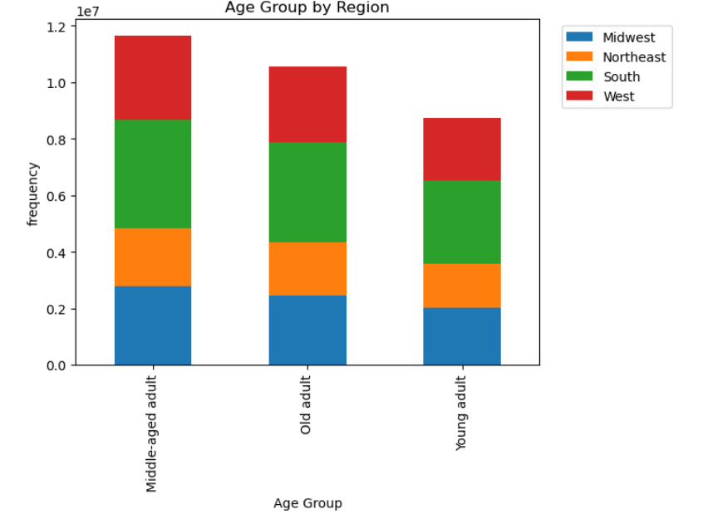
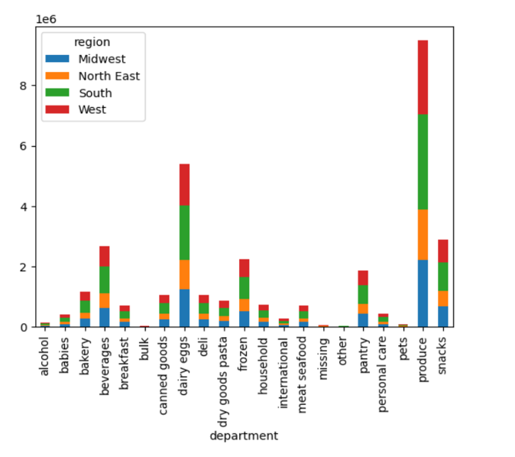

customer age groups are proportional across regions. However, the South region happened to have relatively more number of customers for all the age groups. | From the chart, produce, dairy eggs, snacks, beverages. most of the customers are from the South region followed by West, Midwest and North East. Bulk, Pets and Alcohol departments have the lowest customers number. | fr

Is there a connection between age and family status in terms of ordering habits?

Comparing Customers Age and Income
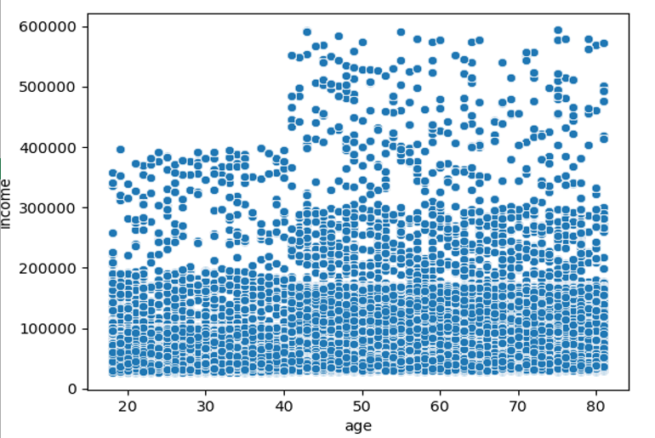

As shown in the scatterplot above customers' income tends to increase with age.

Show the distribution of profiles (for a created profile variable, as per the direction in task 10)

Customers' household size by department

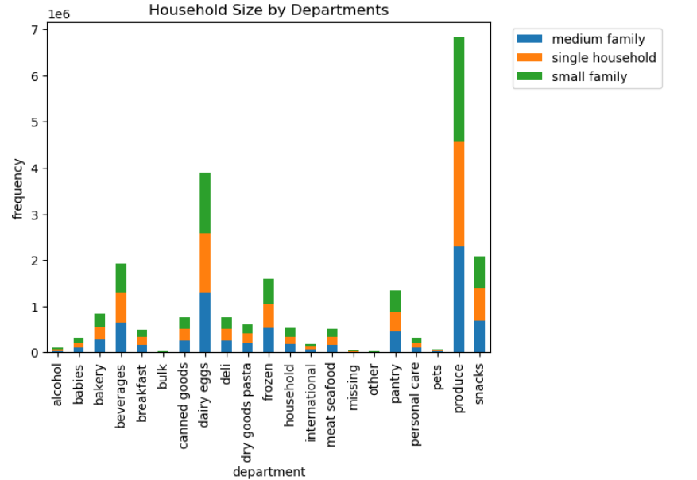
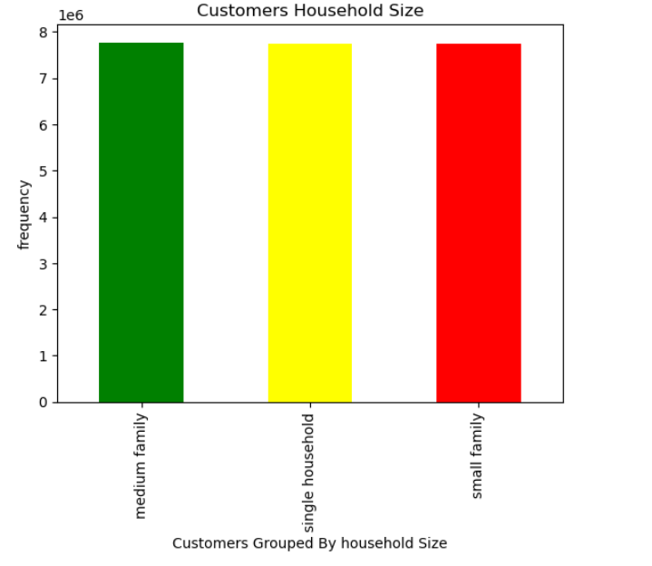

 | The chart shows that the produce department has registered the highest sale across all hosehold size followed by dairy eggs, snacks and beverages departments respectively.For all the top departments with the highest sales records, most of the customers are from medium hosehold. Bulk, Pets and Alcohol departments have the lowest customers.

7. Recommendations
 |  | Title page

Recommendations

In this tab you should include any recommendations you would made to Instcart in terms of their marketing strategy based on the questions posed in the brief. Every key question has been covered in the Tasks of the Exercises - here you need to add an item - a visualisation or table/crosstable that is showing the answer in the data, acompanied by a comment from you. Please, list the questions below and add the answer underneath.

Question | Answer
What are the busiest days of the week and hours of the day? | The Weekend is a key time for customers to place orders, so any staff additions should be made for weekend days. Also, working hours from 9:00 to 17:00 are when the majority of orders are placed, so stocks and staff need to be fully prepared during those hours.

Are there particular times of the day when people spend more money? | During the times when customers spend more money, the order platform should make an effort to advertise higher cost products. On the other hand, slower times of the day are a good opportunity to introduce promotions for key products that are higher in stock.
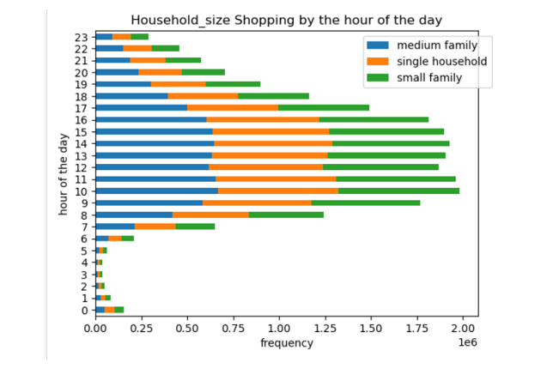

What’s the distribution among users in regards to their brand loyalty (i.e., how often do they return to Instacart)? | 49% of customers are regular customers, who made order between 10 and 40. Loyal customers , who made over 40 orders, share 32% of the total customers. And new customers with order less than or equal to 10, make up less than 20% of the total customers.

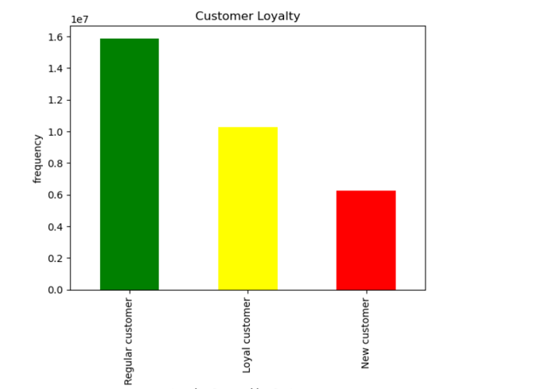

Are there differences in ordering habits based on a customer’s region?
 | For all the top 5 departments, i.e., produce, dairy eggs, snacks, beverages. most of the customers are from the South region followed by West, Midwest and North East. Customers from Southern region order the most for all of the department items! Bulk, Pets and Alcohol departments have the lowest customers number. The South has the most purchases from the 'missing' category hence, it is good to find what these missing items are as they should be advertised more in the South.

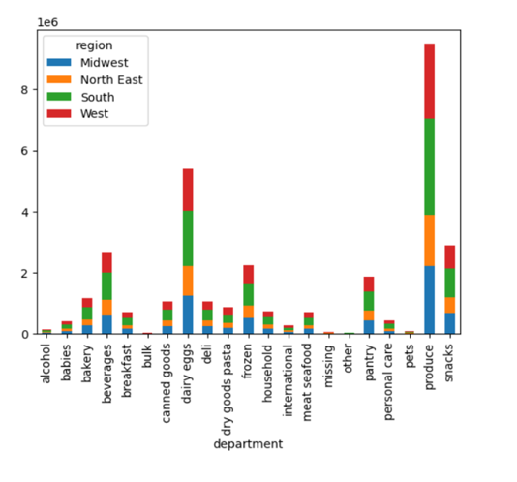

Is there a connection between household size in terms of ordering habits?
 | there is no much difference between household size and ordering habit. All customers regardless of their marital status purchase mostly products from produce, snacks, dairy/eggs, beverage products. The least products they purchase are from bulk, missing and other departments.

